Sheet1
2 Types of help desk request
 | add remove responsibilities,
 | suspend restore account

 |  | Add and remove responsibility

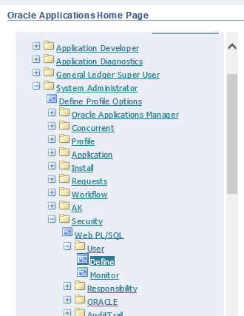

 |  |  | add or remove responsibilities in account

 |  |  | f11 for searching and execution is CTRL + F11

 |  |  |  | when disabling a responsibility in description in change 'new' to 'delete' and add effective date TO

 |  |  |  | when restoring responsibility change description to 'Restore' then (it has 2 dates in FROM and TO) delete date in TO and change date FROM to sysdate

 |  |  | When disabling account

 |  |  |  | just change all description to delete

